Sheet1
Molecular Docking Score |  |  | Molecular Dynamics Simulation

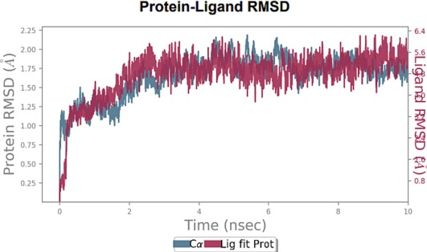

For ALB and Polyphyllin |  | ALB | For ALB and Polyphyllin VI
 | Polyphyllin VI | -11.6
 |  | -10.9
 |  | -10.4

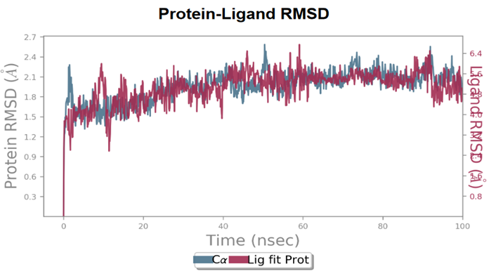

For MAPK3 and PD98059 |  | MAPK3 | For MAPK3 and PD98059
 | PD98059 | -8.9
 |  | -8.4
 |  | -8.4

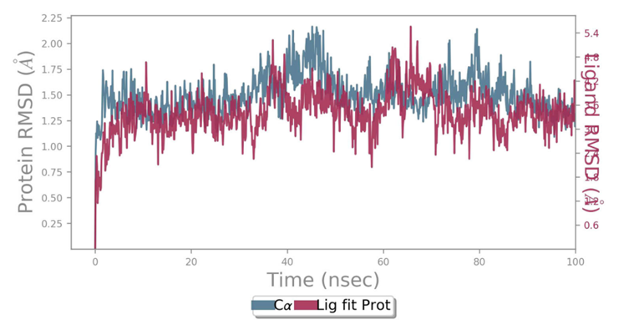

For STAT3 and S3I-201 |  | STAT3 | For STAT3 and S3I-201
 | S3I-201 | -12
 |  | -10.9
 |  | -10.7

